Instructions
Request: | 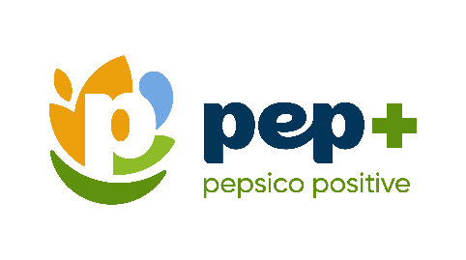 Please collect the data necessary to fill in the applicable yellow cells on the Calculator tabs (Calculator_Emissions and Calculator_Water). Typically, this information can be found from utility bills for your facility. Once all yellow cells are complete, retreive the numbers from the green cells and enter them into PepsiCo's annual pep+ Survey. You do not need to provide us with your completed excel file.

Background: | As with many other large companies, PepsiCo’s value chain emissions (Scope 3) make up the majority of the emissions inventory. We have also committed to ensuring we have a net water positive impact across our entire value chain (including in our partners' operations). These are big goals, ones that we need to pursue collectively. We need each and every partner along the value chain to engage and help. That’s where you come in. Understanding where we are today is key to guiding our next actions as we curate resources, collaborate on initiatives, and identify opportunities of shared value creation between PepsiCo and you. More information about climate change at PepsiCo can be found here: https://www.pepsico.com/our-impact/esg-topics-a-z/climate-change More information about water at PepsiCo can be found here: https://www.pepsico.com/our-impact/esg-topics-a-z/water

Questions? | Please reach out to your PepsiCo Contact

